1. Credit Score
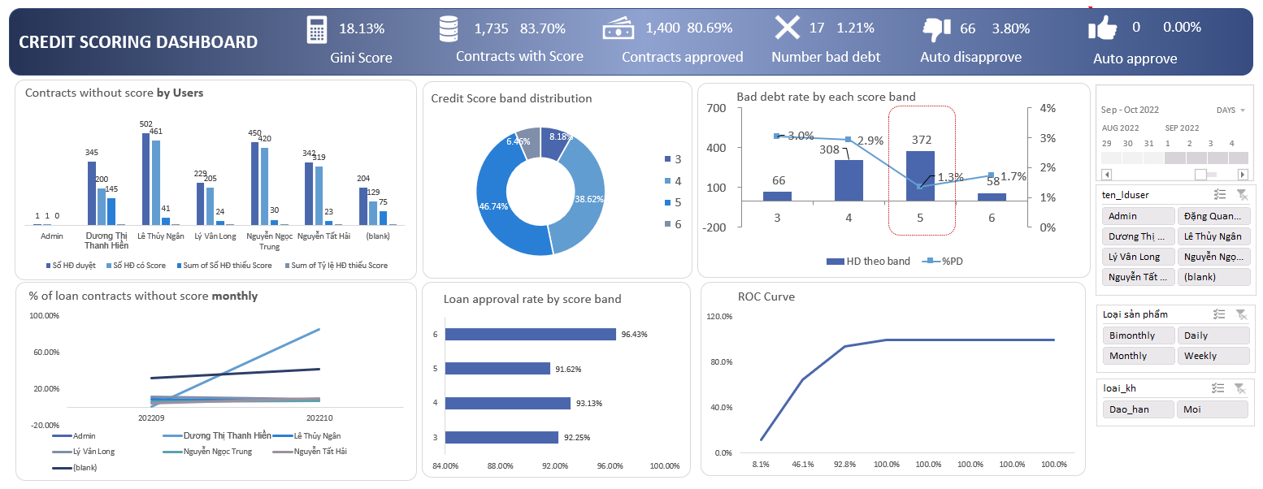
 | SAMPLE DASHBOARDS

1 | Consumer Lending Score band management

 | Business function | Underwriting and Data Science
 | Dashboard purpose | 1. Keep track of Credit scoring model effectiveness when in production with updated Gini score and bad debt rate. 2. Control whether the underwriting team members compliance with guidance regarding the credit score usage ( auto approve or disapprove, input the contracts to the scoring before finalization, etc.)

6. Premier League players
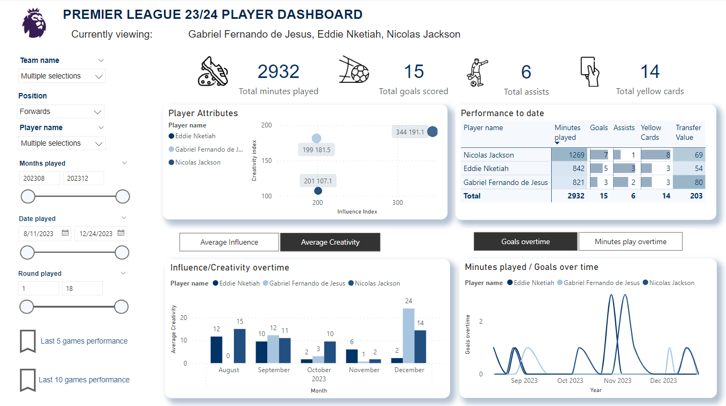
 | SAMPLE DASHBOARDS

2 | Premier League players result

 | Business function | Personal hobby project
 | Dashboard purpose | Get players data from the Fantasy Premier League public API, upload to Onedrive and create dashboard to track player performance overtime
 | Files link | https://drive.google.com/file/d/1BpSV1VEQWz5_cdjdxbYV98uPUAzyn1Mc/view?usp=sharing

7. Tableau project
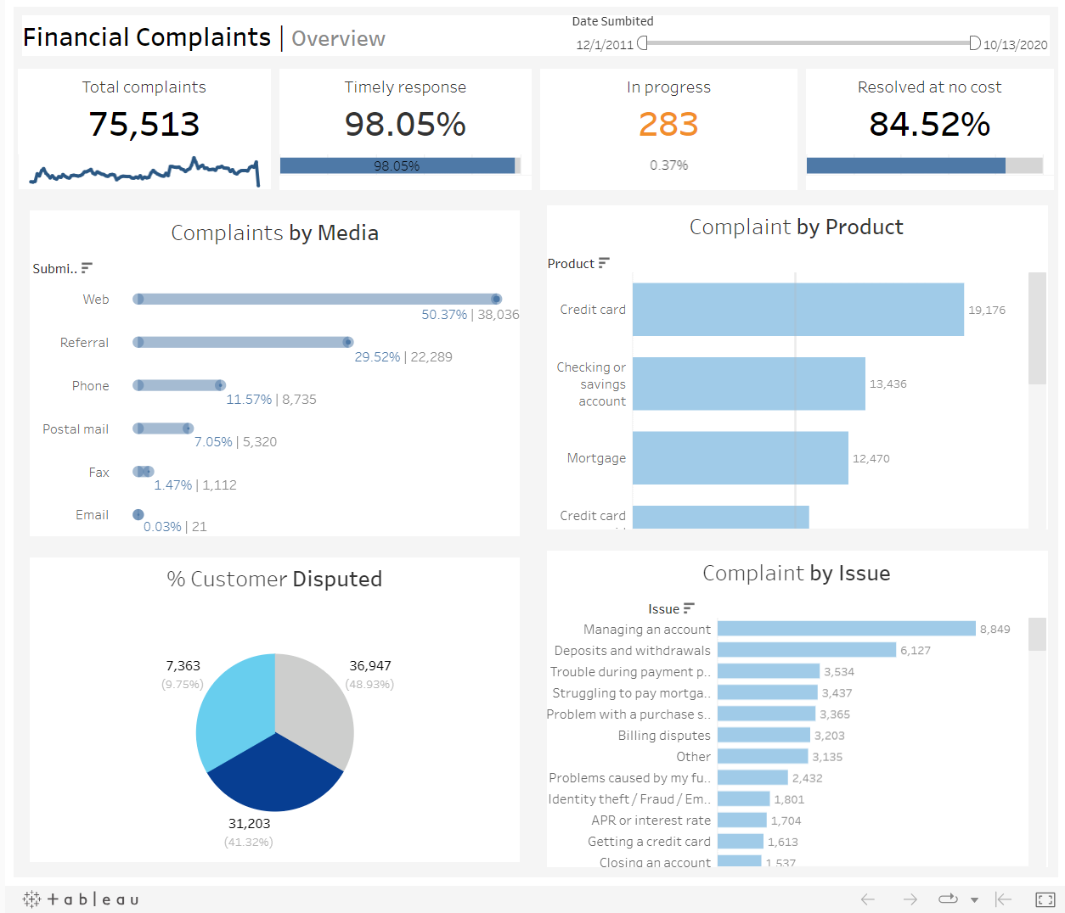
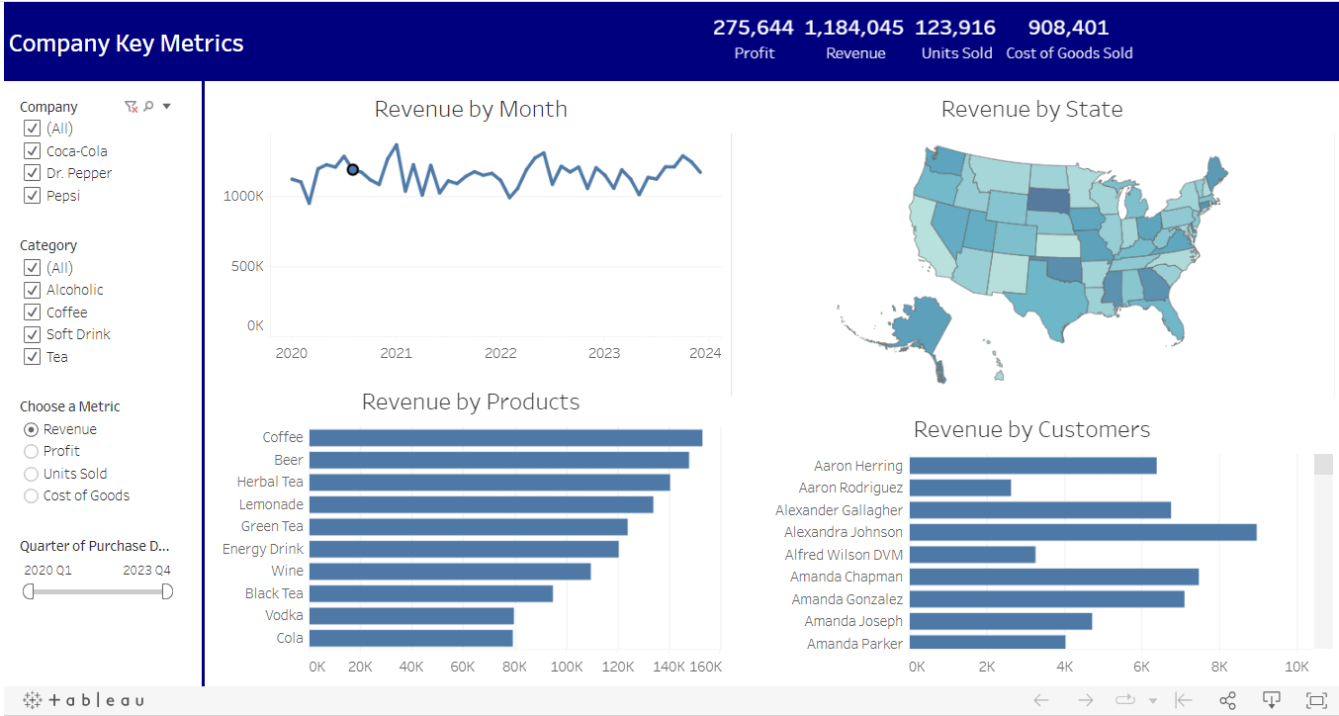
 | SAMPLE DASHBOARDS

3 | Tableau Dashboards

 | Business function | Personal project
 | Dashboard purpose | Practice Tableau dashboarding process with public online dataset (since I am mostly in PowerBI at work)
 | Files link | https://public.tableau.com/app/profile/duong.nguyen7014/vizzes

